Sheet1
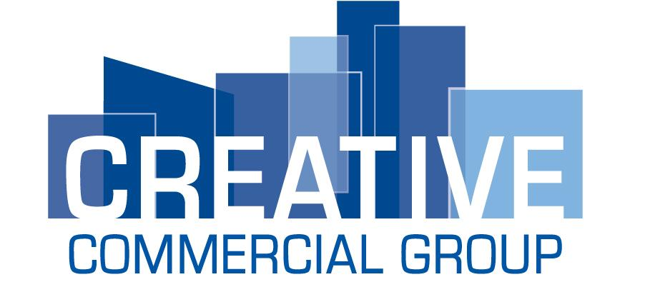

Business Debt Schedule
Include the following information on all installment debts, notes, contracts and mortgages. the balance sheet (if any).
Current balance must match the current balance sheet. Include all capital Leases shown on the balance sheet (if any).

Business Name: _________________________________ |  |  |  |  | As of: ____________________________

Name of Creditor | Original Amount | Original Date | Current Balance | Interest Rate | Maturity Date | Monthly Payment | Collateral | Current or Delinquent

 |  | Total Current Balance | $0 |  | Total Monthly Payment | $0

Signature:__________________________ Title: _______________________ |  |  |  |  |  | Date:__________________________

